original
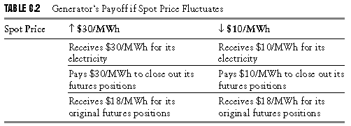
Generator Hedging
Production | T=0 | T=6 | Physical | Futures T=0 |  | Futures T=6 |  | Financial | P&L
Cost | Spot Price | Selling Price | P/L | Buy | Sell | Buy | Sell | P/L | Actual
$20 | $20 | $30 | $10 |  | $18 | $30 |  | $(12) | $(2)
$20 | $20 | $20 | $- |  | $18 | $20 |  | $(2) | $(2)
$20 | $20 | $10 | $(10) |  | $18 | $10 |  | $8 | $(2)
$20 | $20 | $- | $(20) |  | $18 | $- |  | $18 | $(2)

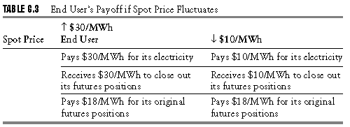
End User Hedging
T=0 | T=6 | T=6 | Physical | Futures T=0 |  | Futures T=6 |  | Financial | P&L
Buy at Spot Price | Spot Price | Selling Price | P/L | Buy | Sell | Buy | Sell | P/L | Actual
$20 | $30 | $20 | $(10) | $18 |  |  | $30 | $12 | $2
$20 | $20 | $20 | $- | $18 |  |  | $20 | $2 | $2
$20 | $10 | $20 | $10 | $18 |  |  | $10 | $(8) | $2
$20 | $- | $20 | $20 | $18 |  |  | $- | $(18) | $2

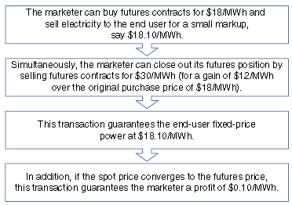
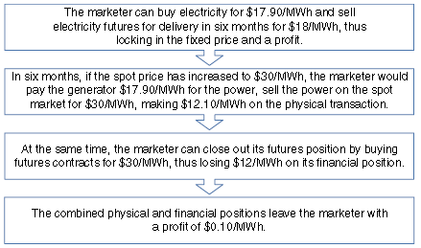
Marketer Long Hedging
T=0 | T=6 |  | Physical | Futures T=0 |  | Futures T=6 |  | Financial | P&L
Sell at Spot Price* | Spot Price |  | P/L | Buy | Sell | Buy | Sell | P/L | Actual
$18.10 | $30 |  | $(11.90) | $18 |  |  | $30 | $12 | $0.10
$18.10 | $20 |  | $(1.90) | $18 |  |  | $20 | $2 | $0.10
$18.10 | $10 |  | $8.10 | $18 |  |  | $10 | $(8) | $0.10
$18.10 | $- |  | $18.10 | $18 |  |  | $- | $(18) | $0.10
*agreement with customers to supply for six months

Marketer Short Hedging
T=0 | T=6 |  | Physical | Futures T=0 |  | Futures T=6 |  | Financial | P&L
Buy at Spot Price* | Spot Price |  | P/L | Buy | Sell | Buy | Sell | P/L | Actual
$17.90 | $30 |  | $12.10 |  | $18 | $30 |  | $(12) | $0.10
$17.90 | $20 |  | $2.10 |  | $18 | $20 |  | $(2) | $0.10
$17.90 | $10 |  | $(7.90) |  | $18 | $10 |  | $8 | $0.10
$17.90 | $- |  | $(17.90) |  | $18 | $- |  | $18 | $0.10
*agreement with generator to buy for six month

Without Hedging
 |  |  |  | T=0 |  | T=6 |  | Potential Profit / Loss
 |  |  |  | Spot Price |  | Spot Price |  | Generator | Customer | Marketer
High case |  |  |  | 20 |  | 30 |  | 10 | -10
Normal Case |  |  |  | 20 |  | 20 |  | 0 | 0
Low case |  |  |  | 20 |  | 10 |  | -10 | 10

